Common Requirements
Common Customer Reference Requirements All of the following requirements must be met by each submitted customer reference.
ID | Requirement Description | Customer Reference #1 |  | Customer Reference #2
 |  | Met? | Partner Response | Met? | Partner Response
Documentation
Requirements in this category relate to the documentation provided for each customer example.

DOC-001 | Architecture diagram AWS Partner must submit architecture diagrams depicting the overall design and deployment of its AWS Partner solution on AWS as well as any other relevant details of the solution for the specific customer in question. The submitted diagrams are intended to provide context to the AWS Solutions Architect conducting the Technical Validation. It is critical to provide clear diagrams with an appropriate level of detail that enable the AWS Solutions Architect to validate the other requirements listed below. Each architecture diagram must show: * The major elements of the architecture, and how they combine to provide the AWS Partner's solution to customers. * All of the AWS services used, using the appropriate AWS service icons. * How the AWS services are deployed, including virtual private clouds (VPCs), availability zones, subnets, and connections to systems outside of AWS. * Elements deployed outside of AWS, e.g. on-premises components, or hardware devices. | Yes | Yes, Architecture diagram being provied separately showing all major elements and workflow. It includes all service icons, their deployment is reflected along with VPC. The diagram also shows the source platform of the customer data which is DynamoDB. | Yes | Yes, Architecture diagram being provided separately showing all major elements. Shown all AWS services implemented to achieve the solution along with source of data (MongoDB in this use case). Attached Case Study has all the relevant information e.g. all services being used and role of each service.

AWS Account Configuration
Any AWS accounts created by the AWS Partner on behalf of the customer or AWS accounts that the AWS Partner administers as part of the engagement must meet the following requirements.

ACCT-001 | The root user is secured All of the following must be implemented: * IAM Users or IAM Roles are created and used for all routine activities. The root user is only used for tasks that require it. [Click here to see AWS Tasks That Require Root User](https://docs.aws.amazon.com/general/latest/gr/aws_tasks-that-require-root.html). * Access keys are not assigned to the root user. * Multi-Factor Authentication (MFA) is enabled on the root user. Please provide the following as evidence: * Describe the process in place to secure root users. | Yes | The root user is only used for limited tasks, otherwise IAM users are only used. Access keys are only assigned to IAM user and not to the root user. Also MFA is enabled on all of them. | Yes | Data Lake Solution that we implemented using IAM users with granular level of privileges required for services needed for solution . Access keys are only assigned to IAM user and not to the root user. Also MFA is enabled on all of them.
ACCT-002 | Account contact information is set The Operations, Billing, and Security contact email addresses are set, and all account contact information, including the root user email address, is set to a corporate email address or phone number. Personal contact information may not be used for accounts owned by a company or organization. Please provide the following as evidence: * Describe the process in place to set the contact information. | Yes | None of the billing and security contact information uses personal contact, only corporate addresses are allowed to be added. | Yes | We allowed only corporate addresses for mapping account details and setting various alerts (e.g. billing alerts etc.)
ACCT-003 | AWS CloudTrail is enabled All of the following must be implemented: * AWS CloudTrail is enabled in all AWS Regions. * CloudTrail log file integrity validation is enabled. * CloudTrail logs are stored in a separate administrative domain (i.e. a separate AWS account that is only intended for log storage and limited access or an equivalent solution). * CloudTrail logs are protected from accidental deletion using MFA Delete or versioning on the Amazon Simple Storage Service (Amazon S3) bucket that stores the logs, or an equivalent solution. Please provide the following as evidence: * Description of the system used to retain CloudTrail logs if not using Amazon S3 | Yes | The customer IT team manages the AWS account and set the baseline confgurations for the same. The cloudtrail logs are enabled for every region and these are stored in a separate domain ensuring integrity. The MFA delete is configured to prevent any kind of accidental deletion. | Yes | The CloudTrail logs are enabled for Mumbai region and these are stored in a Secure bucket with minimum access privelege. The integrity checking is enabled. The MFA delete is configured to prevent any kind of accidental deletion. The customer is also exploring the use of Landing zone as a long term strategy and have multiple accounts for managing the security logs.

Operational Excellence
Requirements in this category relate to the ability of the AWS Partner and the customer to run and monitor systems to deliver business value and to continually improve supporting processes and procedures.

OPE-001 | Metrics are defined for understanding the health of the workload AWS Partner has defined metrics for determining the health of each component of the workload and provided the customer with guidance on how to detect operational events based on these metrics. Please provide the following as evidence: * Description of the metrics used to determine the health of each component of the workload. | Yes | Log data is sent to a service like CloudWatch. An alert is raised when workload outcomes are at risk and there are well defined escalation levels in place so that one can respond appropriately if necessary. Identification of metric thresholds allow us to alarm upon an event that triggers an automated response, there is provision of raising an alert on detection of workload anomalies. Cloudwatch metrics are used for understanding the health of the workload. The processing times and utilization is closely monitored to remediate any anomalies. Cluster Capacity metrics for each of the Jobs exeucted ins monitored.Along with this the cluster status, data transferred is also monitored. | Yes | We configured SNS and configured e-mail notification to be shared with designated user(s) to share the status of cluster that ran everyday so that in case of failure, manual operation can be performed to have data integrity. In addition cloudwatch metrics are used for understanding the health of the workload. The processing times and utilization is closely monitored to remediate any anomalies. Cluster Capacity metrics for each of the Jobs exeucted ins monitored.Along with this the cluster status, data transferred is also monitored.
OPE-002 | Workload health metrics are collected and analyzed Workload health metrics are collected and analyzed. The configuration and deployment of metrics collection and alerting does not have to be done by the AWS Partner, but the AWS Partner should provide guidance and assistance to the customer to ensure they are able to successfully integrate the AWS Partner solution into their own operational processes and tools. Please provide the following as evidence: * Description of the systems or applications used to collect and analyze workload health metrics | Yes | The health metrics are collected and analysed regularly so as to identify the trends and to determine the scenarios where appropriate responses are needed. The log data is aggregated from the execution of the services into cloudwatch. To gain an insight into the performance of operations, metrics are generated from thses logs. | Yes | The health metrics are collected and analysed regularly so as to identify the trends and to determine the scenarios where appropriate responses are needed. The log data is aggregated from the execution of the services into CloudWatch. To gain an insight into the performance of operations, metrics are generated from these logs to periodically analyze the health.
OPE-003 | Operational enablement AWS Partner ensures operational personnel are capable of supporting the solution. They must conduct a handover to ensure the personnel responsible for ongoing operations, whether that be the customer or the AWS Partner, understand how to monitor the workload, backup and restore data, patch and upgrade operating systems and application components, and troubleshoot common problems. Please provide the following as evidence: * Description of the operational handover process. * List of operational tasks and troubleshooting scenarios covered. | Yes | We have a process in place for continuous improvement by regularly evaluating and prioritizing prompt and effective responses. We perform post-incident analysis to identify corrective measures and implement feedback loops. Operational handover and KT has been provided to the customer to understand the processed data for inference generation. | Yes | We have a process in place for continuous improvement by regularly evaluating and prioritizing prompt and effective responses. We perform post-incident analysis to identify corrective measures and implement feedback loops.
OPE-004 | Deployment testing and validation Deployments are tested or otherwise validated before being applied to the production environment. Please provide the following as evidence: * Description of the testing and validation process | Yes | Rigorous load testing is done on test environment before committing any changes on production. A business-level view of the workload operations is created before-hand so as to determine the quality as identify key improvement areas. | Yes | We implemented the solution on testing server and validated the outcomes as per discussed with customer and then later implemented solution on production. We created Test cases to validate the solution outcome as per customer's requirement. We performed load testing by ingesting 3-4 times of existing workload for load testing.
OPE-005 | Code assets are version controlled Version control is used to manage code assets including application code, deployment scripts, infrastructure templates, etc. The version control system used can be owned and managed by the AWS Partner or the customer. Please provide the following as evidence: * Version control system used for the project | Yes | Yes, we kept the code in TFS for version control purpose. | Yes | Yes, we kept the code in TFS
OPE-006 | Application and workload telemetry Solution components emit information that allows operators to understand their internal state. This telemetry information should at a minimum consist of standard application logs that capture errors and aid in troubleshooting and response to operational events. Please provide the following as evidence: * Description of the key metrics, logs, and traces emitted by the AWS Partner solution components | Yes | Automated responses to events are configured which reduce the errors caused by manual processes, and further it also ensures promt and consistent responses to the satakeholders whenever any metric crosses the threshold level defined for that service. | Yes | Automated responses to events are configured which reduce the errors caused by manual processes, and further it also ensures prompt and consistent responses to the stakeholders whenever any metric crosses the threshold level defined for that service. The logs from the jobs executed are in cloudwatch and used to troubleshoot or understand any workload telemetry details.

Security - Identity and Access Management
Requirements in this category focus on best practices around AWS Identity and Access Management (IAM) and other identity and access management systems owned by the AWS Partner.

IAM-001 | Access requirements are defined AWS Partner has explicitly defined the access requirements for humans and programmatic processes involved in the AWS Partner solution. Please provide the following as evidence: * Description of the process used to define access requirements * Overview of IAM principals created as part of the solution | Yes | To grant users access to resources in AWS account, a robust identity management system is in place. The administrator, developers, operators and consumers rely on a centralized identity provider which makes it easier to manage access and revoke it, all from a single location. Access is defined based on roles and groups to access the required services. | Yes | To grant users access to resources in AWS account, a robust identity management system is in place. The administrator, developers, operators and consumers rely on a centralized identity provider which makes it easier to manage access and revoke it, all from a single location.
IAM-002 | Grant least privileges IAM principals are only granted the minimum privileges necessary. Wildcards in Action and Resource elements should be avoided as much as possible. Please provide the following as evidence: * Example IAM policy used in the AWS Partner solution. This does not need to be an actual IAM policy document used in the AWS Partner solution but can use pseudo-code and simply be representative of the approaches used to implement the principle of least privilege. | Yes | Policies are in place to explicitly grant permissions attached in IAM entities, these ensure that the user is only permitted to perform most minimal set of functions that are necessary to fulfill the assigned task. Permission boundaries are set keeping a check on maximum permissions that admin can set. | Yes | Policies are in place to explicitly grant permissions attached in IAM entities, these ensure that the user is only permitted to perform most minimal set of functions that are necessary to fulfil the assigned task. Permission boundaries are set keeping a check on maximum permissions that admin can set. We have created new IAM user for solution implementation and have assigned least privileges. | 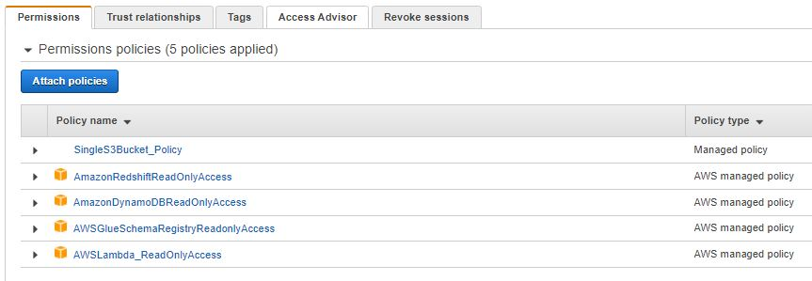
IAM-003 | Static AWS Access Keys are not used for programmatic access. Processes deployed to AWS compute infrastructure do not use static AWS Access Keys to authenticate AWS API calls. All processes running within AWS must use temporary IAM credentials obtained by assuming an IAM role. Static AWS key can be used to bootstrap a IAM role assumption for granting access to applications running outside of AWS (e.g., a CI/CD solution running on-prem deploying code to AWS). Please provide the following as evidence: * Description of any cases where static IAM credentials are used by programmatic processes | Yes | Periodic evaluation is done to ensure tht static AWS access keys are not being used. Users require to change their passwords periodically and reetire access keys in favor of temporary credentials. MFA settings are also continuously monitored. And, usage of IAM roles is done instead of IAM users. | Yes | Periodic evaluation is done to ensure that static AWS access keys are not being used. Users require to change their passwords periodically and retire access keys in favour of temporary credentials. MFA settings are also continuously monitored. And, usage of IAM roles is done instead of IAM users.
IAM-004 | Unique non-root credentials are used for interactive access. Every AWS Partner individual who accesses an AWS account must do so using dedicated credentials. Credentials must not be shared among individuals. This includes credentials associated with IAM Users or other identities used to federate access to an AWS account. Please provide the following as evidence: * Description of the authentication mechanism used by AWS Partner consultants to access AWS accounts used in the engagement | Yes | We have aimed to eliminate reliance on long-term static credentials by implementing stron identity foundation. Unique credentials are ensured and periodic validation process is in place which requires users to update their passwords. | Yes | We aimed to eliminate reliance on long-term static credentials by implementing strong identity foundation. Role based access is used by the developers to access the customer account. Switch role is done from the partners organization account to access the customer accoint to perform any activities.

Security - Networking
Requirements in this category focus on security best practices for Virtual Private Cloud (Amazon VPC) and other network security considerations.

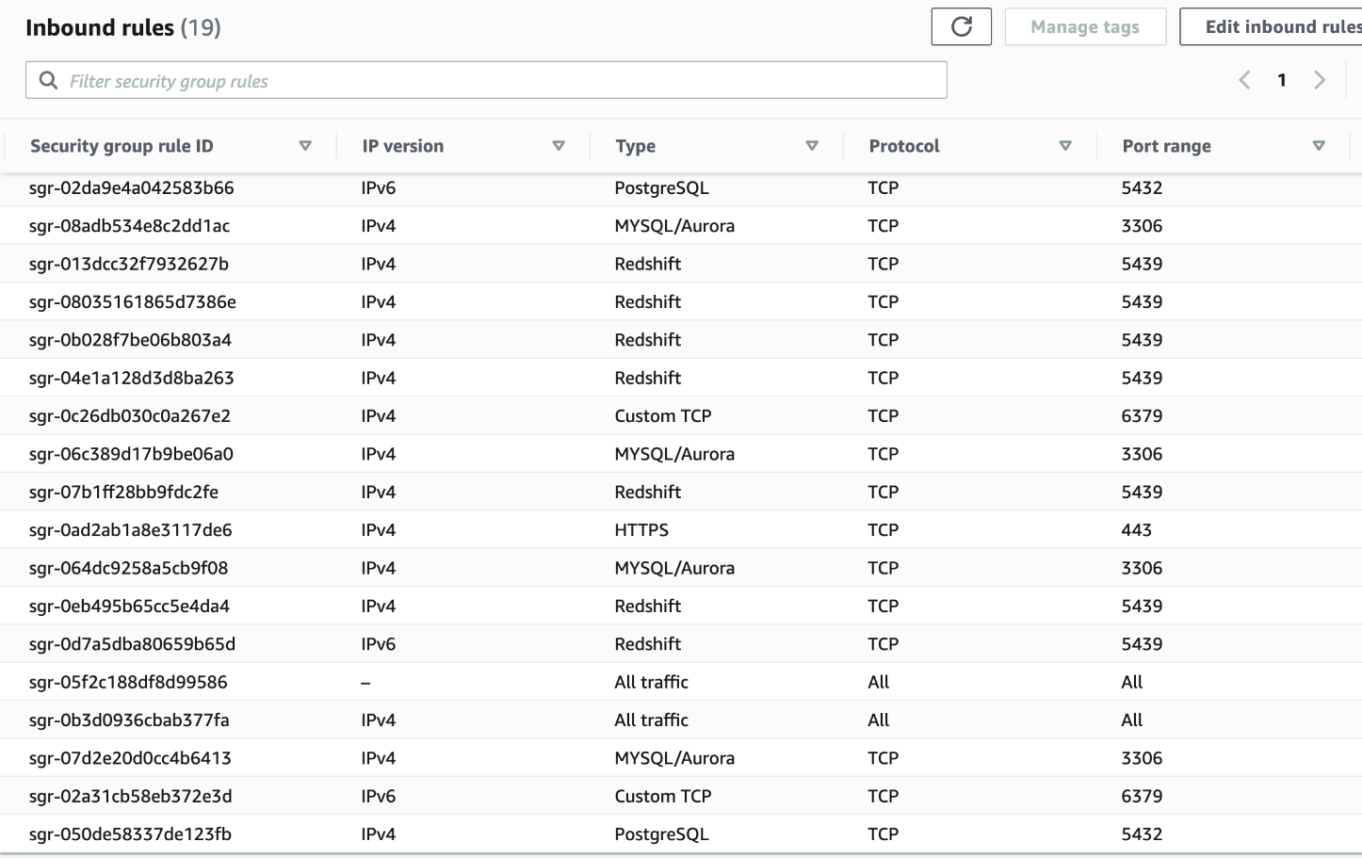
NETSEC-001 | Security groups are tightly scoped. All security groups should restrict access to the greatest degree possible. This includes at least: 1. Implementing Security Groups to restrict traffic between Internet and Amazon VPC 2. Implementing Security Groups to restrict traffic within the Amazon VPC 3. In all cases, allow only the most restrictive possible settings. Please provide the following as evidence: * An example security group configuration for a major component of the architecture. | Yes | Multiple controls are applied with a defense in depth approach for both inbound and outbound traffic by the use of stateful inspection firewall/security groups with most restrictive possible configurations. For protocols apart from non-TCP, the EC2 machines are not directly accessible by the internet. One example of Security Group Set up shown on right side. | Yes | Multiple controls are applied with a defence in depth approach for both inbound and outbound traffic by the use of stateful inspection firewall/security groups with most restrictive possible configurations. For protocols apart from non-TCP, the EC2 machines are not directly accessible by the internet. MongoDB kept in private subnet and only allowed to be accessible from Bastion Host Set up Security Group for MongoDB Production Database as it should be accesible from subnet of Bastion Host only. | 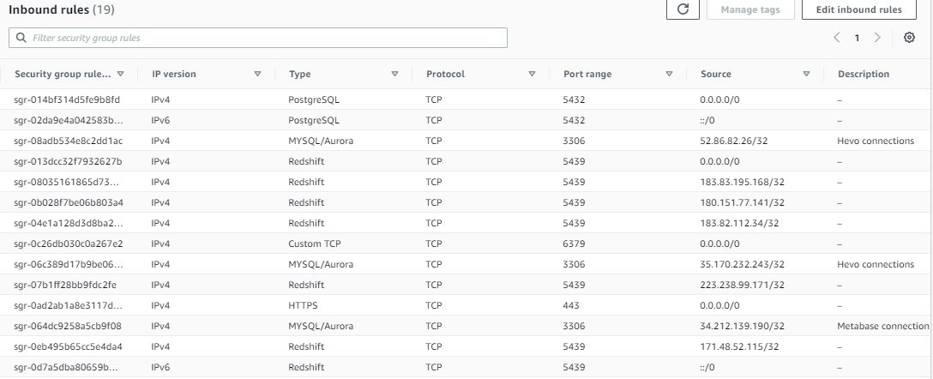
NETSEC-002 | Data that traverses the Internet is encrypted in transit. All Internet-facing endpoints must use Secure Sockets Layer (SSL)/Transport Layer Security (TLS) or another standard mechanism to encrypt data that leaves the AWS Partner's network. Any connections between an Amazon VPC where the solution is deployed and any other private network outside of AWS must also be encrypted. Please provide the following as evidence: * Summary of any endpoints exposed to the Internet and how traffic is encrypted * Explanation of how private keys are stored and distributed for any SSL/TLS endpoints * Summary of processes that make requests to external endpoints over the Internet and how traffic is encrypted | Yes | HTTPS endpoints using TLS are utilized for communication which ensures encryption in transit when communicating with AWS services Apis. HTTP protocol is audited and blocked in VPC through security groups. Additionally, VPN connectivity is used for connections into VPC from any external network. | Yes | HTTPS endpoints using TLS are utilized for communication which ensures encryption in transit when communicating with AWS services Apis. HTTP protocol is audited and blocked in VPC through security groups. Additionally, VPN connectivity is used for connections into VPC from any external network. No endpoints been exposed to the Internet
NETSEC-003 | Data stores are in private subnets. Any data stores (e.g. databases, internal caches, search clusters, etc.) within an Amazon VPC must either exist in a private subnet (i.e. a subnet with no route to an Internet Gateway) or use AWS Signature Version 4 with AWS IAM for authenticating requests (e.g. Amazon DynamoDB, Amazon S3, Amazon Elasticsearch Service). Please provide the following as evidence: * An architecture diagram attached to the customer example that accurately depicts the Amazon VPC topology and all data stores. This can be the same diagram(s) used to fulfill the DOC-001 requirement. Alternatively, if no diagram is available depicting the detailed Amazon VPC topology, you may provide the following as evidence: * A list of all data stores in the architecture and the routes (destinations and targets) associated with the subnet(s) where each data store resides. | Yes | As can be seen in the architecture diagram, the data source lie in the Amazon VPC. Any attempts to move data outside of defined boundaries is automatically detected through GuardDuty and VPC flow logs. | Yes | As can be seen in the architecture diagram, the data source lie in the Amazon VPC. Any attempts to move data outside of defined boundaries is automatically detected through Guard Duty and VPC flow logs.

Security - IT Operations
Requirements in this category focus on IT security operations best practices including logging, monitoring, incident response, and data classification.

SECOPS-001 | Cryptographic keys are managed securely. All cryptographic keys are stored and managed using a dedicated key management solution such as AWS Key Management Service or a third-party solution. The AWS Partner solution may also offload the termination of Secure Sockets Layer (SSL)/Transport Layer Security (TLS) connections to managed services such as Elastic Load Balancing or Amazon CloudFront and utilize AWS Certificate Manager or AWS Identity and Access Management to store and distribute private keys and certificates. Please provide the following as evidence: * List of components that encrypt data (both at rest and in transit) * Description of how cryptographic keys are managed for each component in the list | Yes | For protecting data at rest, encryption is implemented which ensures the security and protection of data in s3 buckets. AWS S3 KMS is used to manage the storage, rotation and access to these keys | Yes | For protecting data at rest, encryption and tokenization are implemented which ensures the security and protection of data. AWS KMS is used to manage the storage, rotation and access to these keys and additionally, AWS CLoudHSM is used to enable easy generation and usage of these keys.

AWS API Integration
Requirements in this category deal with best practices around calling AWS APIs.

AWSAPI-001 | Official AWS SDKs are used to call AWS API endpoints. The AWS Partner solution uses an official AWS SDK or the AWS CLI for all programmatic calls made to AWS API endpoints. Please provide the following as evidence: * Describe the tools used for programmatic access. * In cases where this is not possible, provide the programming language and an explanation of how AWS API access is implemented. | Yes | AWS SDK for Python, boto3 and AWS CLI is used to make API calls to service endpoints. The secret keys and access keys are used for programatic access. | Yes | AWS SDK for Python, boto3 and AWS CLI is used to make API calls to service endpoints. The secret keys and access keys are used for programmatic access.

Reliability
Requirements in this section focus on the ability of the AWS Partner solution to prevent, and quickly recover from failures to meet business and customer demand.

REL-001 | Deployment automation. Changes to infrastructure are automated using tools like AWS CloudFormation, the AWS CLI, or other scripting tools. Changes to the production environment should not be made using the AWS Management Console. Please provide the following as evidence: * Description of the deployment process. | Yes | The source code is stored in version controlled TFS system. The code first tested on a staging account and once validated , this is promoted to the production. Cloudformation scripts are used for setting up the infrastructure. | Yes | The source code is stored in version controlled TFS system. The code first tested on a staging account and once validated , this is promoted to the production. Cloudformation scripts are used for setting up the infrastructure.
REL-002 | Availability requirements are defined for the solution. A recovery time objective (RTO) and recovery point objective (RPO) have been defined in the event of both individual node failure and availability zone disruption. The solution is architected to achieve the defined RTO and RPO. Please provide the following as evidence: * RTO and RPO for each failure scenario. * Explanation of the recovery process for the core components of the architecture. | Yes | The solution is built on top of S3. Which is highly durable and stores data across 3 AZ. The jobs are run once a day only, Agreed RTO with customer is 4 Hrs for any zone level failures, with this solution there no data loss. | Yes | The data lake solution is built on top of S3. Which is highly durable and stores data across 3 AZ. The jobs are run once a day only. The Glue jobs are run once a day only, Agreed RTO with customer is around 4 Hrs for any zone level failures, with this solution there no data loss.
REL-003 | The AWS Partner solution adapts to changes in demand. The process for how the AWS Partner solution adapts to changes in demand is defined and automated when possible. When possible, the architecture uses services that automatically scale such as Amazon S3, Amazon CloudFront, AWS Auto Scaling, and AWS Lambda. In some cases automated scaling may not be possible due to software licensing restrictions or legacy application architecture limitations. Please provide the following as evidence: * Description of how resources are procured when demand increases. * Explanation of technical or business blockers that prevent automated resource procurement | Yes | A common cause of failure is resource saturation in on-premise infrastructure but here we have made use of AWS S3, Redshift which offers autoscaling capabilities. The required capacity os carefully decided after accessing the workload to prevent under provisioning/over provisioning. | Yes | A common cause of failure is resource saturation in on-premise infrastructure but here we have made use of AWS S3, Redshift which offers autoscaling capabilities. The required capacity os carefully decided after accessing the workload to prevent under provisioning/over provisioning. The clusters are active only during the duration of the job execution. Resources are procured as spot instances for the nodes. All the actions are orchestrated with step functions.

Cost Optimization
Requirements in this category relate to the AWS Partner's ability to help customers run systems that deliver business value at the lowest price point.

COST-001 | Total cost of ownership (TCO) analysis or cost modeling was done. AWS Partner conducted some level of TCO analysis or other form of cost modeling to provide the customer with an understanding of the ongoing costs to run the AWS Partner solution in the customer's environment. This does not need to be delivered as a formal document, but the AWS Partner must have discussed the anticipated load and other factors with the customer and provided cost estimates based on those assumptions. Please provide the following as evidence: * Description of the inputs used to estimate the cost of the solution * Summary of the estimates or cost model provided to the customer before implementation | Yes | We follow a cost-aware culture from the very beginning of the work. The anticipated workload and estimated costs are discussed beforehand with the customer. Regular reporting is done on cost and usage optimization by using AWS cost explorer. Spot instances are used for the worker nodes to reduce the overall cost of the solution. Other than that mostly managed solutions are used to ensure only pay for what you use. | Yes | We followed a cost-aware culture from the very beginning of the work. The anticipated workload and estimated costs are discussed beforehand with the customer. The technology leads are well aware of the budget constraints and they ensure optimised costs by following the best option available to suffice the requirement without compromising on quality. Regular reporting is done on cost and usage optimization by using AWS cost explorer. Spot instances are used for worker nodes to optimise the cost. Rest of the services are managed services and used in pay as you use model. The S3 data is controlled with lifecycle policies to move to low cost storage after fixed duration of time.

